Sheet4
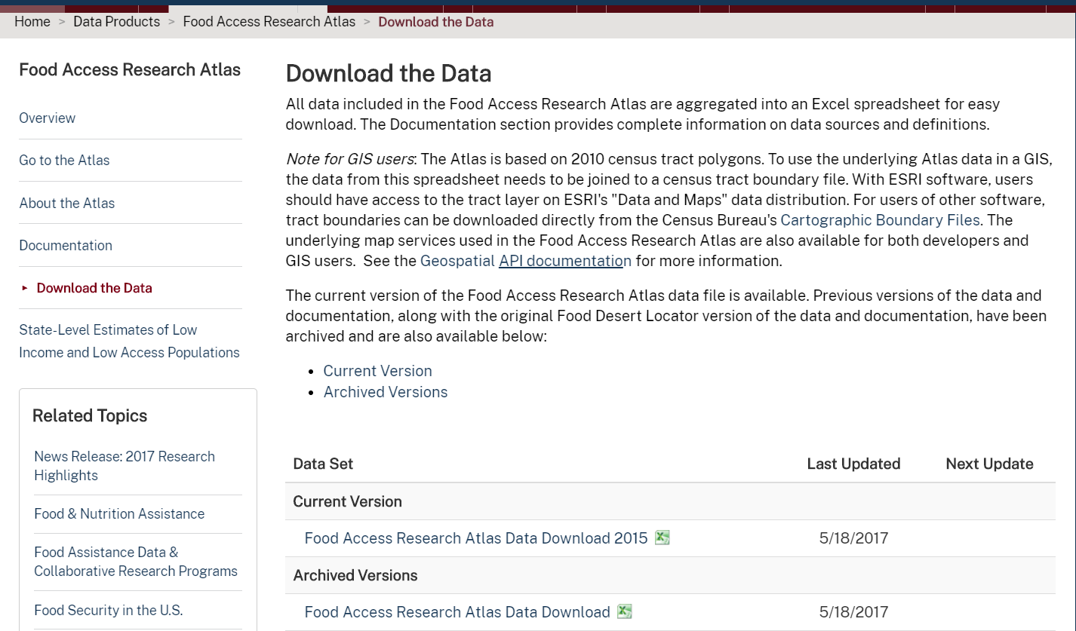
Pariya Poocharoenhttps://developers.facebook.com/docs/marketing-api/guides/instagramads#guides
19:25:00
Pariya Poocharoenhttps://influencermarketinghub.com/coronavirus-marketing-ad-spend-report/
19:29:00
Jessica Murillohttps://apps.urban.org/features/OurChangingCity/demographics/#thirtyyears

